Footprint Creation
Footprint Creation and Nomenclature

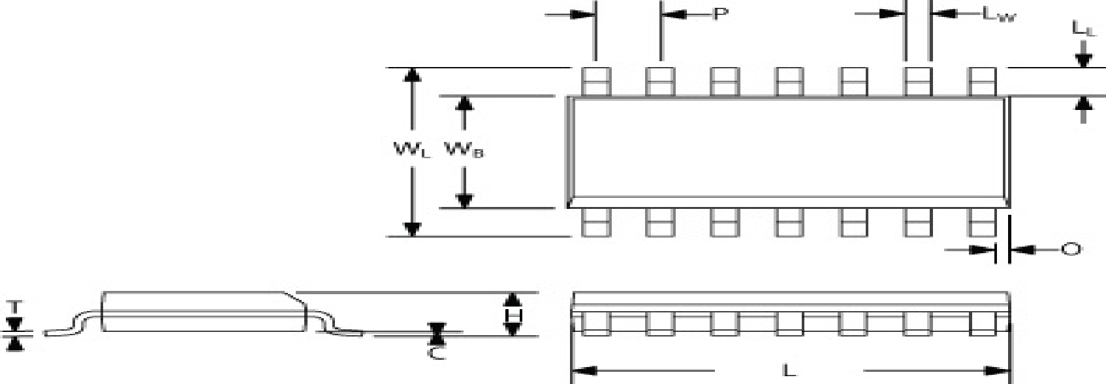
 |  | Outer to Outer = distance between pad outer edges (WL)
 |  | Inner to Inner = distance between pad inner edges (Wb)
 |  | Pitch = distance between two adjacent pads/pins center (P)
 |  | Pitch 1 = distance between two pads/pins center of other row
 |  | Pitch 1 = Outer to Outer- 1 pad length
 |  | Inner to Inner = Outer to Outer- 2 pad length

 |  | Preferred pad length for soldering 0.5mm(20mils
Footprint creation from component diag (std)
QFN & DFN | Outer to Outer = Outer to outer(data)+50 | Pad length = pad length (data)+25
SOP,LCC & OTHER QUAD PACKAGES | Outer to Outer = Outer to outer(data)+40 | Pad length = pad length (data)+40
BGA | Pad dia = dia(data)x.8+1
Discrete | Give minimum 20 mils for soldering
COMPONENT OUTLINE (comm on) | Body Length = L(data)+20 mils
Fiducials for component= 20D40 |  | 20 mils pad,40mils soldermak & 40mils layer keep out
Fiducials for board(global)= 40D80 |  | 40 mils pad,80mils soldermak & 80mils layer keep out

